test case 1
MANUAL TESTING TEST CASE TEMPLATE
ID | TEST TITLE |  |  | DESIGNED BY
1 | To log in into mailbox |  |  | Nezhinskaya Y.
 | TEST DESCRIPTION |  |  | CREATED AT
 | Ability to log in into mailbox

 | PRE-CONDITIONS |  | POST-CONDITIONS
 | 1. User yaroslavna.2009 as per test data exists in database 2. Open page https://mail.ru/ |  | Log out from the mailbox

STEP # | STEP DESCRIPTION | TEST DATA | EXPECTED RESULTS | ADDITIONAL NOTES
1 | Populate adress of mailbox in field "имя ящика" | yaroslavna.2009
2 | Populate password in the field "пароль" | tgsvcbd66
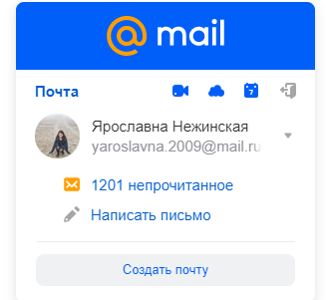
3 | Press on the log in button |  | Next screen should appear: | Passed
4
5
6
7
8

test case 3
MANUAL TESTING TEST CASE TEMPLATE
ID | TEST TITLE |  |  | DESIGNED BY
3 | Reflection of elements in main page |  |  | Nezhinskaya Y.
 | TEST DESCRIPTION |  |  | CREATED AT

 | PRE-CONDITIONS |  | POST-CONDITIONS
 | Open page https://mail.ru/

STEP # | STEP DESCRIPTION | TEST DATA | EXPECTED RESULTS | ADDITIONAL NOTES
1 | Look at the log in box |  | You can see next elements (please see additional notes): имя ящика, пароль, забыли пароль, @mail.ru, войти, запомнить | 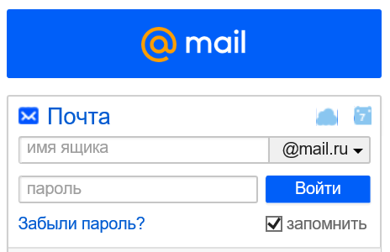
2 |  |  |  | Passed
3
4
5
6
7
8

test case 5
MANUAL TESTING TEST CASE TEMPLATE
ID | TEST TITLE |  |  | DESIGNED BY
5 | Using @ in adress of mailbox |  |  | Nezhinskaya Y.
 | TEST DESCRIPTION |  |  | CREATED AT

 | PRE-CONDITIONS |  | POST-CONDITIONS
 | 1. User yaroslavna.2009@ does not exist in database 2. Open page https://mail.ru/"

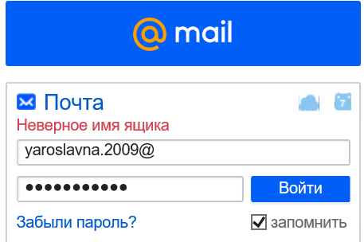
STEP # | STEP DESCRIPTION | TEST DATA | EXPECTED RESULTS | ADDITIONAL NOTES
1 | Populate adress of mailbox in field "имя ящика" | yaroslavna.2009@
2 | Populate password in the field "пароль" | tgsvcbd66
3 | Press the button "войти" |  | The size of sign "войти" should become less and you will see the next error message as in additional notes
4 |  |  |  | Passed
5
6
7
8

test case 7
MANUAL TESTING TEST CASE TEMPLATE
ID | TEST TITLE |  |  | DESIGNED BY
7 | To populate incorrect passwort for existed user in mailbox |  |  | Nezhinskaya Y.
 | TEST DESCRIPTION |  |  | CREATED AT

 | PRE-CONDITIONS |  | POST-CONDITIONS
 | 1. User as per test data exists in database 2. Open page https://mail.ru/

STEP # | STEP DESCRIPTION | TEST DATA | EXPECTED RESULTS | ADDITIONAL NOTES
1 | Populate adress of mailbox in field "имя ящика" | yaroslavna.2009
2 | Populate incorrect password in the field "пароль " | 1111
3 | Press the button "войти" |  | 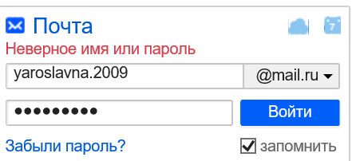 The size of sign "войти" should become less and you will see the next error message as in additional notes
4
5 |  |  |  | Passed
6
7
8

